Basic Invoice
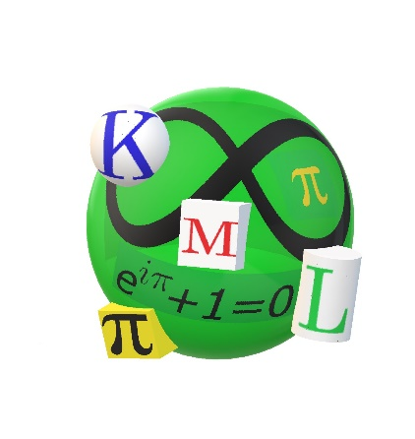
Kingston Math League | INVOICE
130 Russell Street | Invoice For: KML SR Tournament
Kingston, Ontario, K7K 2E9 | Invoice Date: Dec 2, 2022
santosh@alcdsb.on.ca | Due Date: 4-6 weeks later
www.JuniorMathLeague.com
P: 613-545-1902 Ext 2234

BILL TO: | PAYABLE TO:
__________ Math Dept
Address | RND
 | 130 Russell Street
 | Kingston, Ontario
(613)- | 613-545-1902 Ext 2234
DESCRIPTION | AMOUNT
Number of Teams | One Team = $70

Number of Pizzas for Lunch (includes 4 sodas per pizza) | No pizza = $0

Certificates of Participation (Free if cheque paid at or before tournament) | NO Certificates

If invoice is paid at or before tournament, the certificates will be free otherwise add them to this invoice. | Pay invoice within 4-6 weeks
TOTAL | $0.00
Make all cheques payable to " RND "
Thank you for your participation!

